COUNTA of Name vs Location
COUNTA of Name vs Location

Year Hiring Trend
Finance, HR, IT, Marketing, Operations…

Pivot Table 5
AVERAGE of Salary of Job_Role

Dashboard
HR Analytics Dashboard

Finance, HR, IT, Marketing, Operations…
AVERAGE of Salary of Job_Role
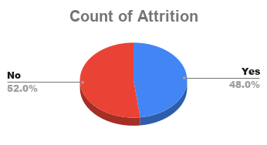
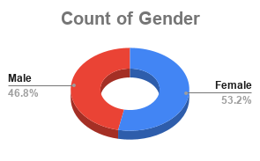

Location-wise Employees
TOP 5 Employee
Salary vs Experience_Years
Department-wise Attrition Rate

Pivot Table 2
COUNT of Employee_ID vs Department

